Technical procurement tracker
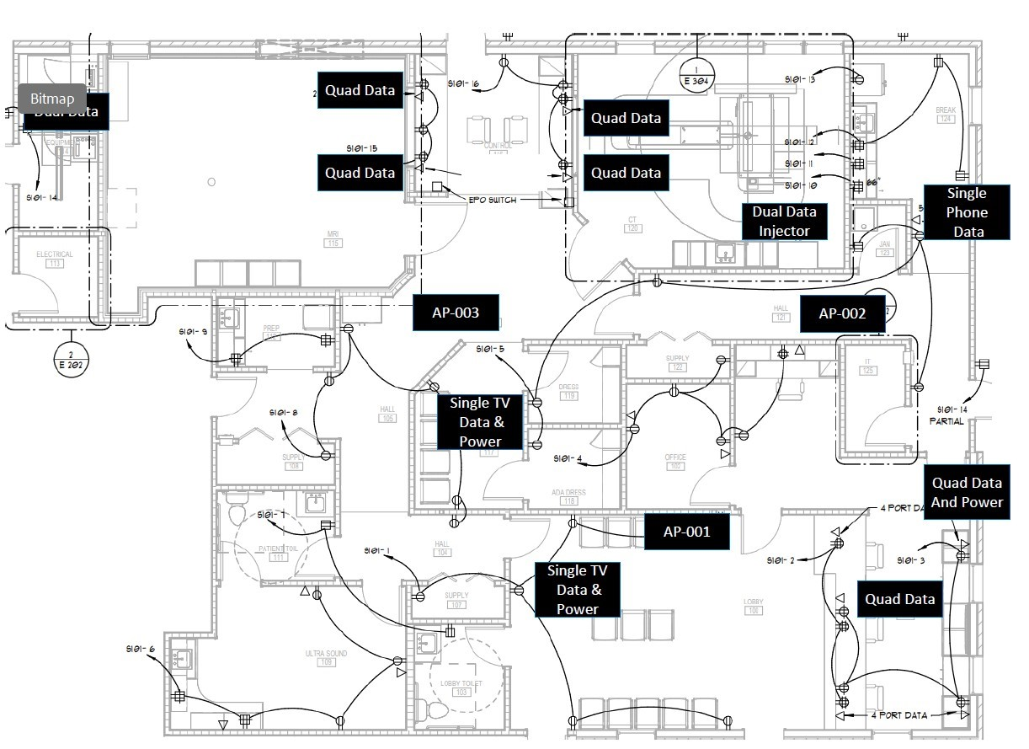
SITE NAME : PROJECT NAME : IT Timeline |  |  |  |  |  |  |  |  |  |  |  |  |  |  | Facility Name | FULL SITE NAME AS LISTED IN PUBLIC DIR
 |  |  |  |  |  |  |  |  |  |  |  |  |  |  | Site Address
 |  |  |  | 120 | 100 | 80 | 60 | 40 | 30 | 20 | 10 | 5 | Go-Live | Post Go-Live | Center Manager
 |  | TCO | 120 days |  |  |  |  |  |  |  |  |  |  |  |  | date of | date of | date of | date of | date of | date of | date of | date of
 |  | Permit / Circuit | 120 Days |  |  |  |  |  |  |  |  |  |  |  | barriers
 |  | Vendor Contract | 120 Days |  |  |  |  |  |  |  |  |  |  |  | barriers
 |  | Floor Plan, Equipment, Low Voltage | 100 Days |  |  |  |  |  |  |  |  |  |  |  | barriers
 |  | IP and Modality Info | 60 Days |  |  |  |  |  |  |  |  |  |  |  |  | date of | date of | date of | date of | date of | date of | date of | date of
 |  | Phone Plan | 60 Days |  |  |  |  |  |  |  |  |  |  |  | Milestones | Suite Construction 4/27/26 | 7/23 MRI Delivery
 |  | Site Walkthrough | 45 Days |  |  |  |  |  |  |  |  |  |  |  | Milestones | Permit Approval 1/15/26 | 7/7 CT Delivery
 |  | Network Readiness | 30 Days |  |  |  |  |  |  |  |  |  |  |  | Milestones
 |  | IT / Modality Readiness | 15 Days |  |  |  |  |  |  |  |  |  |  |  |  | Location Add | Equip Order | Phones | Card Readers |  | Network Equipment |  | RIS DocMWL / Fax
 |  | TDR with End Users | 5 Days |  |  |  |  |  |  |  |  |  |  |  | Incident Number
 |  | Go-Live Issue Resolution | Week After |  |  |  |  |  |  |  |  |  |  |  |  |  |  |  |  |  |  |  | Site Build
 |  |  |  |  |  |  |  |  |  |  |  |  |  |  | Site Blueprint
Product Owner | Quantity | Equipment Status | Items Ordered | Items Received |  | Modality Type | Connection Date | IP Address | Subnet | Gateway | DNS1 / DNS2 | Vendor | AE Title | DAS | MWL | Port | RITM Request | End to End Testing | Additional Note
Workstations | 3 | Desktops Bundle (with dual monitors) | FALSE | FALSE |  | CT |  | 10.206.105.61 | 255.255.255.128 | 10.206.105.1 |  | Siemens GO UP 64 Slice |  |  |  |  |  | FALSE
Workstations | 3 | Desktops Bundle (with single monitors) | FALSE | FALSE |  | MRI |  | 10.206.105.51 | 255.255.255.128 | 10.206.105.1 |  | Siemens SOLA 1.5T |  |  |  |  |  | FALSE
Workstations | 1 | Laptop Bundle (with dual monitors and dock) | FALSE | FALSE |  | MRI Remote |  | 10.206.105.52 | 255.255.255.128 | 10.206.105.1 |  |  |  |  |  |  |  | FALSE
Workstations | 0 | Standard Monitors 24' | FALSE | FALSE |  | MRI Bayer Injector |  | 10.206.105.53 | 255.255.255.128 | 10.206.105.1 |  |  |  |  |  |  |  | FALSE
Workstations | 0 | Docking Station | FALSE | FALSE |  |  |  |  |  |  |  |  |  |  |  |  |  | FALSE
Workstations | 0 | Reading Workstation | FALSE | FALSE |  |  |  |  |  |  |  |  |  |  |  |  |  | FALSE | Permite Approved Site is still a shell Building construction start of suite is April 27th Site Possible Go- Live AUG 24th Power to Building Jul 12 IT Primary Circuit Jul 3 MRI Delivery Date 7/23/26 CT Delivery Date 7/7/26 Ultrasound Delivery Date 8/11/26 Construction End Aug 17/26
Workstations | 1 | iPad | FALSE | FALSE |  |  |  |  |  |  |  |  |  |  |  |  |  | FALSE
Workstations | 1 | iPad MDM | FALSE | FALSE |  |  |  |  |  |  |  |  |  |  |  |  |  | FALSE
Workstations | 7 | Canon imageFORMULA DR-C225 II Office - document scanner | FALSE | FALSE |  | Existing Equipment |  | IP Address | Subnet | Gateway |  | Vendor | AE Title
Workstations |  | Jabra Evolve 40 UC stereo headset | FALSE | FALSE |  |  |  |  |  |  |  |  |  |  |  |  |  | FALSE
Workstations |  | Logitech HD Pro Webcam C920S | FALSE | FALSE |  |  |  |  |  |  |  |  |  |  |  |  |  | FALSE
Workstations |  | Topaz SignatureGem LCD1x5 - signature terminal - USB | FALSE | FALSE |  |  |  |  |  |  |  |  |  |  |  |  |  | FALSE
Workstations | 2 | Card Readers - Cody orders 3-6 weeks out | FALSE | FALSE |  |  |  |  |  |  |  |  |  |  |  |  |  | FALSE
Workstations | 6 | Dell CD Burner | FALSE | FALSE |  |  |  |  |  |  |  |  |  |  |  |  |  | FALSE
Workstations | 0 | Desktop Printers | FALSE | FALSE |  |  |  |  |  |  |  |  |  |  |  |  |  | FALSE
Workstations | 1 | MFP | FALSE | FALSE |  |  |  |  |  |  |  |  | MFP Model |  |  |  |  | FALSE
Workstations | 10 | 1’ blue patch cables | FALSE | FALSE |  | MFP |  | 10.206.104.10 | 255.255.255.128 | 10.206.104.1 |  |  |  |  |  |  |  | FALSE
Workstations | 10 | Cable Management - order Raceway and clips | FALSE | FALSE |  |  |  |  |  |  |  |  |  |  |  |  |  | FALSE
Workstations | 4 | 1’ red patch cables | FALSE | FALSE |  |  |  |  |  |  |  |  |  |  |  |  |  | FALSE
Workstations | 3 | 1’ yellow patch cables | FALSE | FALSE |  | RIS | Site to PACS | RIS | RIS | PACS |  |  |  |  |  | Network Go-Live Date |  | 7/23/2026
Workstations | 1 | 3’ grey Cat 8 cable | FALSE | FALSE |  | Add Site Bin | Paperwork | Add Site| Org | Add New Users | Site Filter |  | TAX ID | xx-xxxxxxxx |  |  | IT Go-Live Date |  | 8/10/2026
Workstations | 10 | 5’ white Cat 8 cable | FALSE | FALSE |  |  |  |  |  |  |  | Site Code | xxxxx |  |  | Site Go-Live Date |  | 8/24/2026
 |  |  |  |  | Ordered | Installed | Turned Up |  |  |  |  | NPI | xxxxxxxxxx |  |  | HL Complete | HL Tested |  | IP Address | Subnet | Gateway | DNS1 | DNS2
Infrastructure | 1 | Circuit/Fiber Primary | FALSE | FALSE | 3/23/26 reminder |  |  |  |  |  |  | Health Logix |  |  |  |  |  | VLAN 300 | 10.206.104.0/25 | 255.255.255.128 | 10.206.104.1
Infrastructure | 1 | Circuit/Fiber Secondary | FALSE | FALSE |  |  |  |  | Network Equip Specifics |  |  | Obtained IP |  |  |  |  |  | VLAN 303 | 10.206.105.0/25 | 255.255.255.128 | 10.206.105.1
Infrastructure | 1 | SDWAN Router - 7 days after Circuit Turned up | FALSE | FALSE |  |  |  |  |  |  |  | Meet with Center Mgr Date
Infrastructure | 2 | Switch | FALSE | FALSE |  | FALSE | Network |  |  |  |  | Software Validated |  |  |  | Specialty Hardware |  |  | Software List
Infrastructure | 3 | WAPs | FALSE | FALSE |  | FALSE | Anthony |  |  |  |  | RIS / PACS Type |  | Fuji RIS/Intelerad PACS |  |  |  |  | AHI IMG Centers
Infrastructure |  | VPN (for remote modality connection) | FALSE | FALSE |  | FALSE | Network |  |  |  |  |  |  |  |  |  |  |  | Dynasoft Print Driver
Infrastructure | 10 | Low voltage cabling/fiber | FALSE | FALSE |  | FALSE | Anthony |  |  |  |  |  |  |  |  |  |  |  | Altamont 3.4
Infrastructure | 1 | UPS (rack mounted) | FALSE | FALSE |  | FALSE | FSO |  |  |  |  | E-Fax Date |  |  |  |  |  |  | Clario
Phones | 8 | phones | FALSE | FALSE |  | FALSE | VOIP Engineer |  |  |  |  | Main Number | xxx-xxx-xxxx |  |  |  |  |  | Vulkan shortcuts
Phones | 1 | ATA | FALSE | FALSE |  | FALSE | VOIP Engineer |  |  |  |  | Inbound FAX | xxx-xxx-xxxx |  |  |  |  |  | Altamont shortcut
Fax | 1 | Go-Live of E-Fax |  |  |  |  | VOIP Engineer |  |  |  |  |  |  |  |  |  |  |  | AHI PACS Synapse
 |  |  |  |  |  |  |  |  |  |  |  |  |  |  |  |  |  |  | zvext v4.4.2
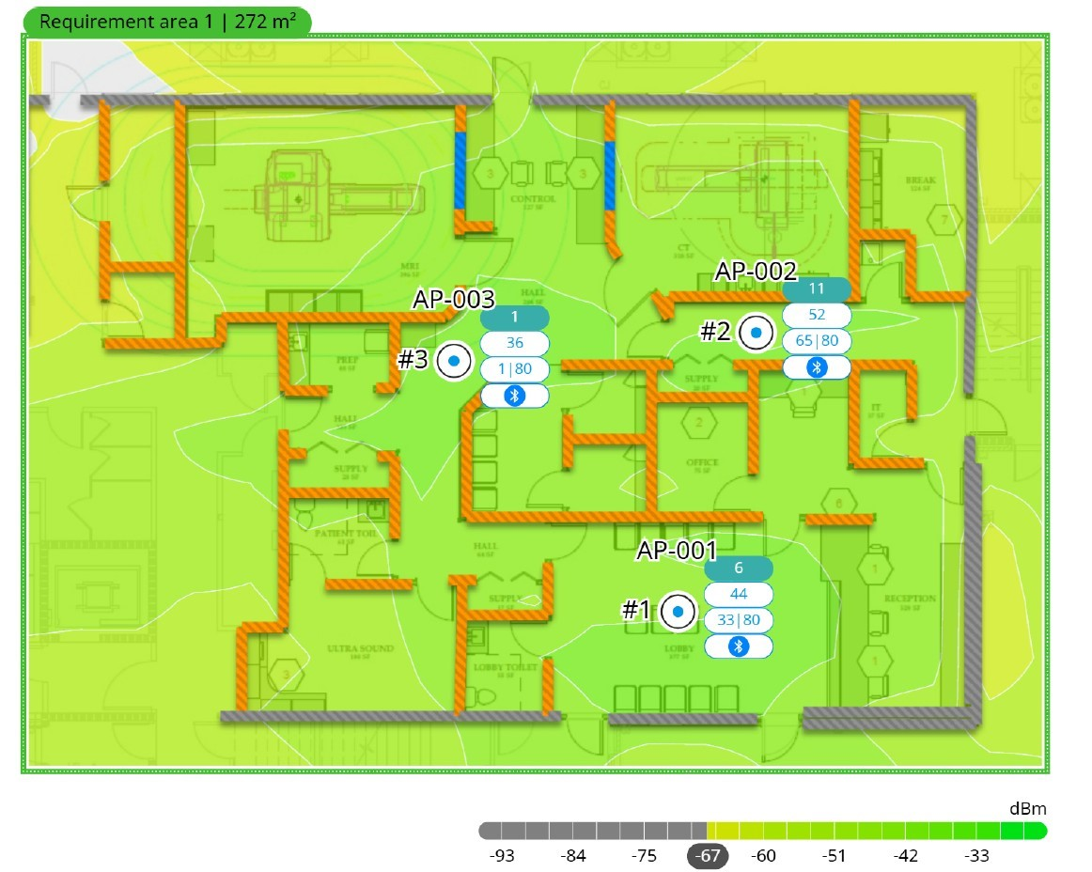
 |  |  |  |  |  |  |  |  |  |  |  |  |  |  |  |  |  |  | AHI IMG Centers Manger
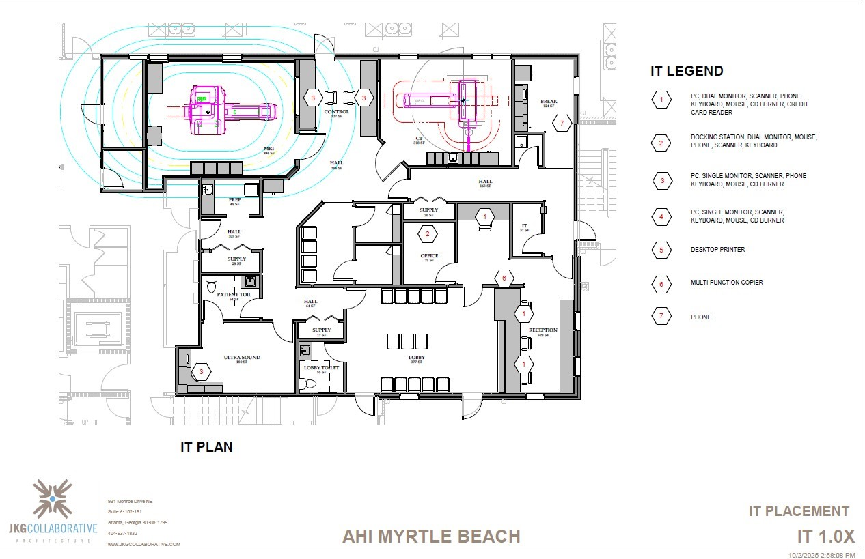
 |  |  |  |  |  |  |  |  |  |  |  |  |  |  |  |  |  |  | Batch Share Drive

 |  |  |  |  |  |  |  |  |  |  |  | permit approval 1/15

